Prob1
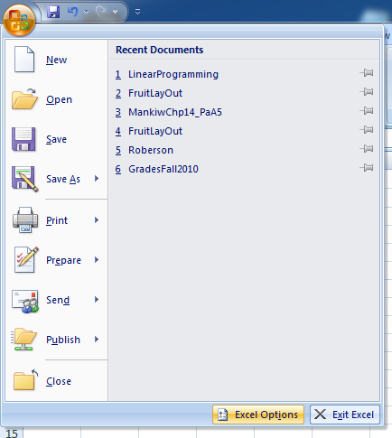
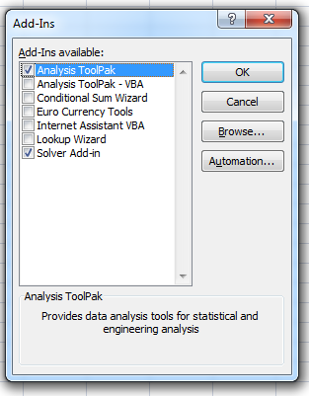
Y1 | 6.00000008
Y2 | 7.99999994
W | 512.00000016 | Click "Excel Options"
C1 | 200.000001 | Then Click "Add-Ins"
C2 | 469.9999996 | Then Click "Go"
C3 | 300

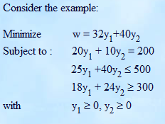

 |  |  | Excel 2010 Tutorial
 |  |  | http://blogs.office.com/b/microsoft-excel/archive/2009/09/21/new-and-improved-solver.aspx

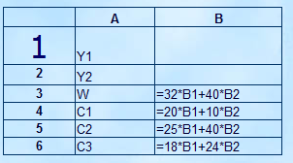

Next, click on cell B3 (the cell we want to minimize) and activiate the solver with Data>>Analysis>>Solver
Set the cell numbers for the target cell (B3, the cell we want to minimize) as well as the variables (B1:B2 Notice the use of the colon to denote the range of all cells from B1 to B2). Also click to find the Min (not Max) value.

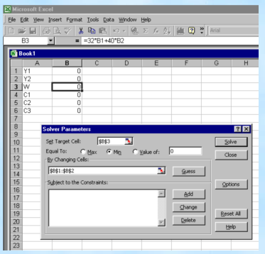

Click on Add to add each constraint. You will get a dialog box that will permit you to specify what cell contains the expression in y₁ and y₂, which inequality symbol to use, and the numerical constant.

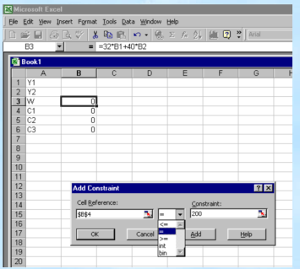

In addition to entering the constraints labeled here as C1, C2, and C3, also add constraints to reflect that y1 ≥ 0 and y2 ≥0. When you click OK, the screen should look like this:

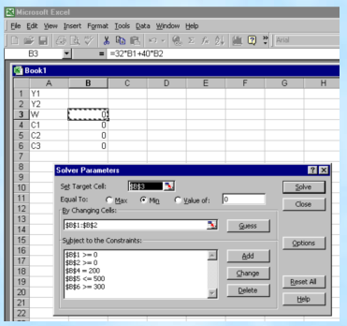

When you select Solve, the computer will calculate the optimum solution, if possible, displaying the required values for y₁ and y₂ in cells B1 and B2, and showing the minimum value of w in cell B3.
Click on Answer in the Reports box, and then click OK to keep this solution.

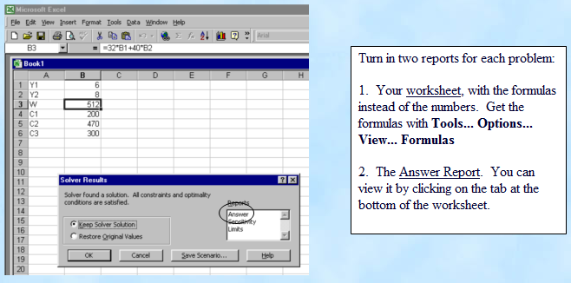

Prob2
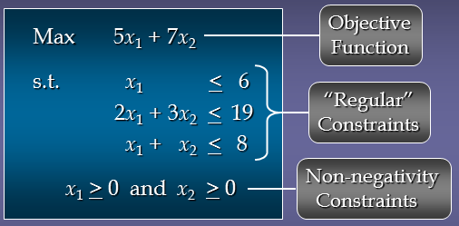
X1 | 5
X2 | 3
Max | 46
Constraint 1 | 5
Constraint 2 | 19
Constraint 3 | 8

TextProb
Problem noted on page 342
Qx | 6
Qy | 4 | Qx | Qy
Max | 108 | 12 | 9
Input A | 32 | 4 | 2 | 32
Input B | 10 | 1 | 1 | 10
Input C | 12 |  | 3 | 21
$$Max π=\$12Q_{x}+\$9Q_{y}$$
$$4Q_{x}+2Q_{y}≤32$$
$$1Q_{x}+1Q_{y}≤10$$
SA | 0 |  |  |  | subject to:
SB | 0
SC | 9
$$3Q_{y}≤21$$
$$Q_{x}≥0$$
$$Q_{y}≥0$$

